Cheat Sheet 2
1. Teradata Locale Definition Utility (tdlocaledef)
–converts a Specification for Data Formatting file (SDF) into an internal, binary format (a GDO) for use by Teradata Database.
–The SDF file is a textfilethat defines how Teradata Database formats numeric, date, time, and currency output. An example of this utility was not provided in this module, but it is important when establishing system formatting defaults.
System level currency , need to change some parameters
ANS TDlocaldef

2. Global space accounting --practical question
Read this topic from below link
Reference Link:- https://docs.teradata.com/reader/wada1XMYPkZVTqPKz2CNaw/2OlYwycKcN6V2lUPJdLaCw
Type of question with given values
a)Create a User with a Skew Limit
b) Interaction between the Skew Factor and Soft Limits

3. Account String Expansion--- 1 question
example &H or &D meaning and all
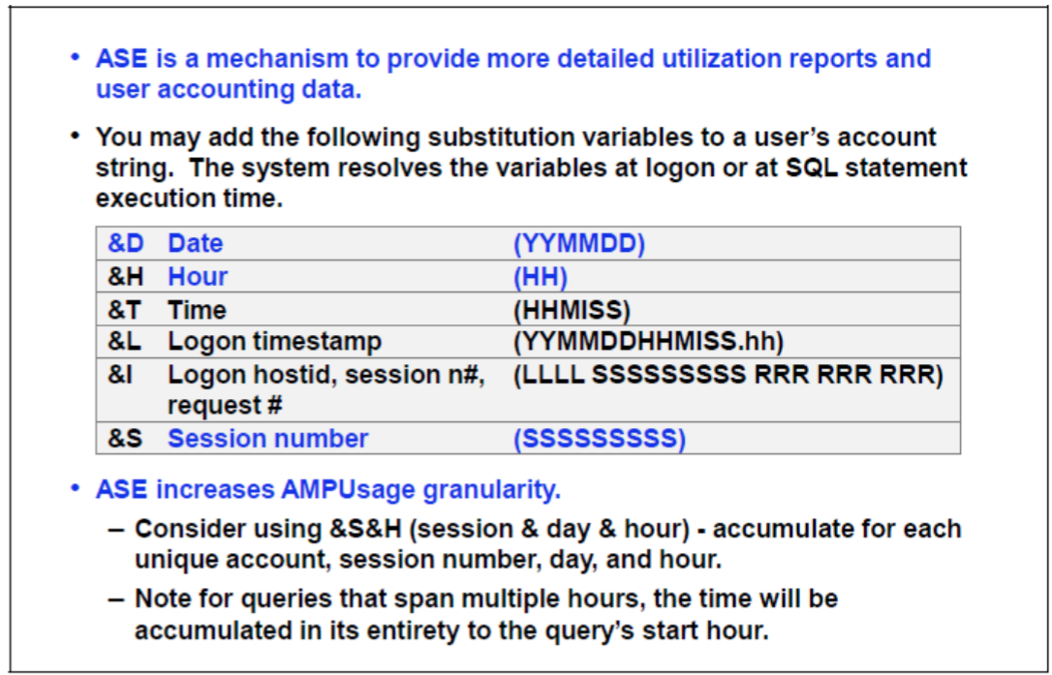

4 RESUSAGE most imp chapter:-- read from docs.teradata.com
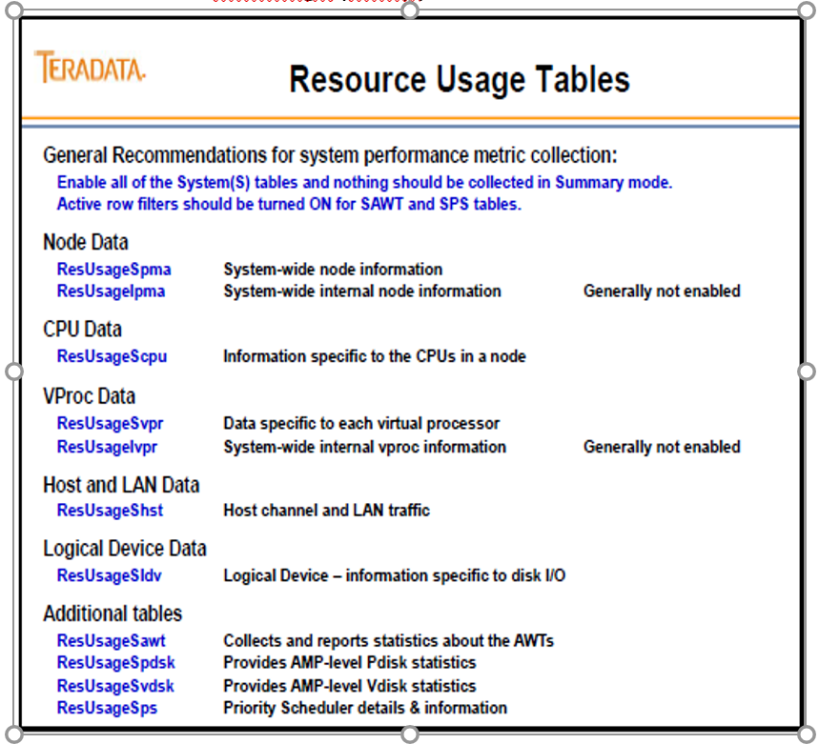

Few questions

1. The reporting grp is testing a new application and it is completing reporting in 45 secs. The
reporting team Expectation on average that this report should complete in 1 min. How can DBA can prevent reporting grp response time expectation from becoming 45 secs.

a. filter queries that exceeds 1 mins.
b. create a workload to delay reporting queries for 15 secs
c. throttle workload that are exceeding 45 secs threshold
d. create a workload to hold queries session until the 1 mins threshold has been met.

2. which dbc.views to access last stats collected information
Dbc.Statsv

3. Depending upon the no. of partitions how many bytes are used for storing the partition
numbering the row header. (choose 2)
a. 2 bytes
b. 8 bytes
c. 16 bytes
d. 32 bytes

4. DBA is getting complaints from user saying that query is running slowly during specific time
period of a day which may be cost by shortage of AWT. Which Viewpoint portlet should be used to
display AWT usuage
a. Query spotlight
b. Workload monitor
c. Metric Analysis
d. Query Monitor

5 What is the benefits of dbc.logonoff ?
a. tracking objects access
b. tracking query count per session
c. tracking system access
d. tracking logged on user profiles

6. A DBA is creating a new table that will be used as staging table which index choice will result in
better performance for load process:
NOPI

7. A user is moving from 1 dept to another. What does the DBA need to do maintain proper
accounting for the user?
a. Modify the user to use a new default role
b. Modify the user to use the default Query band
c. Modify the user to use a new default database
d. Modify the user to use new profile

8. Which Resusage table is most efficient to use when analysing Node level IO
ResUsageSpma
9. During a day user comes to DBA and says that his query has been running for long time than
usual. How DBA determines the cause of delay:
Query Monitor portlet

10. which account string expansion character can a DBA used to trend CPU by date and hour by
minimizing the no. of rows recorded in DBC.Account log table
a. &D and &L
b. &D and &H
c. &L and &H
d. &L and &I

11. which access can’t be grant to a role
a. with admin option
b. stats
c. drop trigger
d. with grant option

12. which resusage table is being used to analyse node level CPU utilization.
a. SPMA
b. SPS
c. SVPR
d. AWT

13. Suddenly system increasing queries how will u handle
ANS; Will ct separate work load and assign it to user.

14. Logon and logoff/sessioninfo – 4 questions

15. Profile --2 questions

Impact of Profiles on Users
The assignment of a profile to a group of users is a way of ensuring that all members of a group operate with a common set of parameters. Therefore, the values in a profile always take precedence over values defined for a user via the CREATE and MODIFY USER statements.
All members inherit changed profile parameters. The impact is immediate, or in response to a SET SESSION statement, or upon next logon, depending on the parameter:
• SPOOL and TEMP space allocations are imposed immediately. This will affect the current session of any member who is logged on at the time his or her user definition is modified.
• Password attributes take effect upon next logon.
• Account IDs, Query Band and a default database are considered at next logon unless the member submits a SET statement. For SET SESSION ACCOUNT case the account ID must agree with the assigned profile definition.

and dbc.prfiles table

16. on DBQL log tabledirect question some CPU and IO from which table will get it
Ans DBC .qrylogv

17. FSG cashe how to modify the FSG cashe parameters options config,CTL,DIP
Put ANS CTL

18. Temporal tables -- meaning and intro
19. TASM Topic match the following: filters, workloads,exceptions,throttles 4 questions.
20. MaxParseTreeSegs This field defines the maximum number of 64KB tree segments that the parser will allocate while parsing a request. The valid range of values is 12 .. 12000. 64-bit sys default is 2000.

21. Columanar 1 question Ans auto compression (Compression technics)
22. Phantam spool direct queion ANS update space
23. Viewpoint – question 4 ( query monitor, workload monitor, metrics anaylsis, my queries)
24. Dbc.statsv -- 1 question
25. Access lock, read lock, exuslive lock-- 1 quetsion
26. Compression values direct ANS is 255
27. How to do ALC compression – direct ANS is Table
28. Restore/copy--1 question

•You can only RESTORE an entity if the Data Dictionary has an equivalent definition of the entity being restored (same name and internal ID).•The COPY operation can be used if the object doesn't exist. To COPY the object in a database/user, the database/user must exist on the target system.

29. Imp dbc tables-- 4 to 5 questions
DBC.LogonRules[V]
DBC.LogOnOff[V][X]
DBC.SessionInfo[V][X]
Dictionary Tables accessed include: • DBC.LogonRuleTbl • DBC.EventLog • DBC.SessionTbl

30. Load isolation --1 question
LOAD COMMITTED
Load Isolation (LDI), a TD 15.10 feature, permits a concurrent read on committed rows while
the underlying table is being modified.
• Underlying tables must be defined as ‘load isolated tables’
Readers do not block writers and writers do not block readers when load isolated. Load Isolation
provides customers compatibility for applications that require read of committed rows instead of
existing Dirty reads that has associated anomalies. Load isolation is provided to enhance concurrency
and yet read load committed rows. Plus Teradata Load Isolation improves compatibility with other
competitors such as Oracle’s Read Committed transaction isolation level.

31. Access Logging-- 1question
Example dbc tables based question
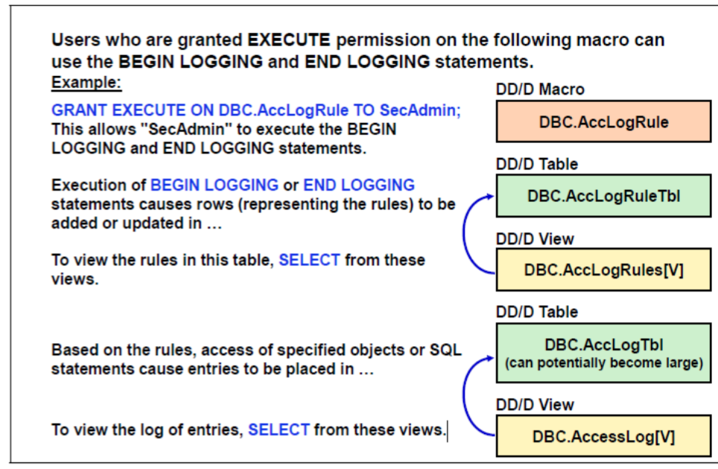

32 Query logging :-- Question from limit and options

Example:-- sql text based
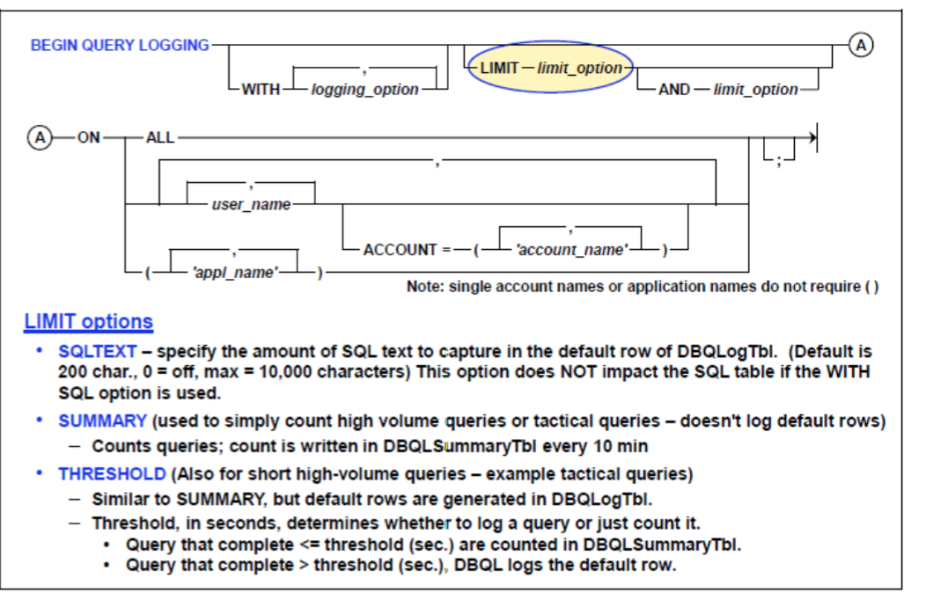

33. 1 question on Refrential integrity constraint -- scenario based

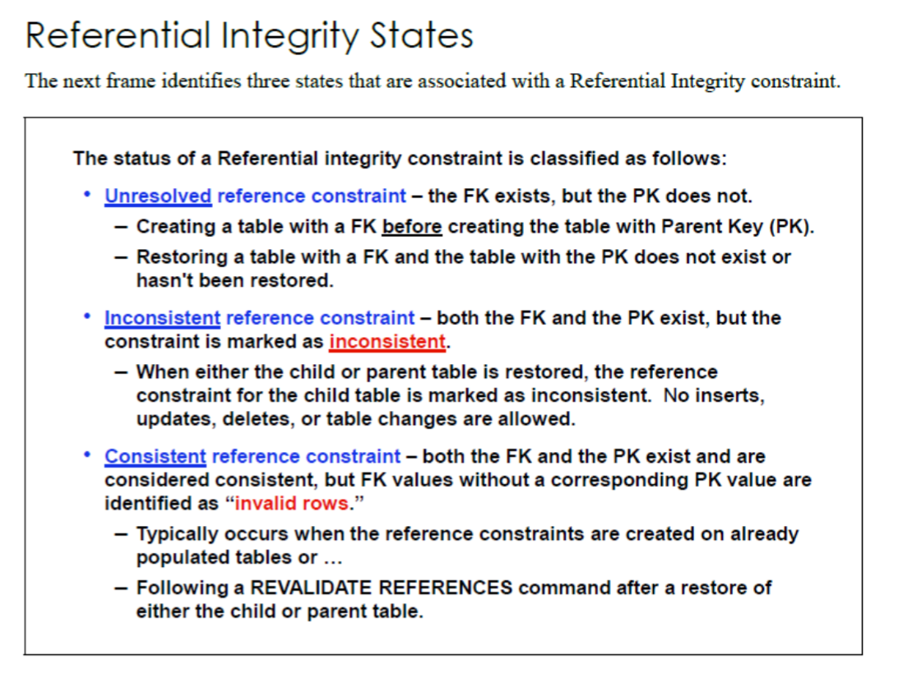

34. Stats extrapolation:
35. Screen RSS
36. DSA topic--1 question
37. ARC--4 questions

WLM
TASM: https://docs.teradata.com/reader/MdJpFyYdQYA50wtFdSdNPA/X1GL3cwMJqfiAMLI2owUVw

Teradata Active System Management (TASM)
Teradata Active System Management (TASM) is a set of products, including system tables and logs, that interact with each other and a common data source. It facilitates automation in the following four key areas of system management:
Workload management
Performance tuning
Capacity planning
Performance monitoring
With careful planning, TASM can improve and optimize your workload management and performance. It can also improve response times and ensure more consistent response times for critical work. This can reduce the effort required by DBAs.

Below are key products and components of TASM.
Teradata Workload Analyzer (Teradata WA): A product that analyzes collected DBQL data to help group workloads and define rules to manage system performance.
Teradata Viewpoint: A product that enables users to 1) Create rules for filtering, throttling, and defining classes of queries (workload definitions). 2) Create events to monitor system resources
Query Bands: A set of name-value pairs that are defined by the user or middle-tier application. Query Bands allow the user to tag session or transactions with an ID through an SQL interface.
Resource Usage Monitor: Data collection subsystem that includes TASM-related data collection.
Open APIs: An interface, invoked from any application, that provides an SQL interface to PMPC through User-Defined Functions (UDFs) and external stored procedures.

TASM Rule set
A rule set is a bundle of settings and definitions that may include: Filter, Throttle, Workload, Virtual Partition, Event
Its created within Viewpoint Workload Designer and only one rule set may be active at a time.

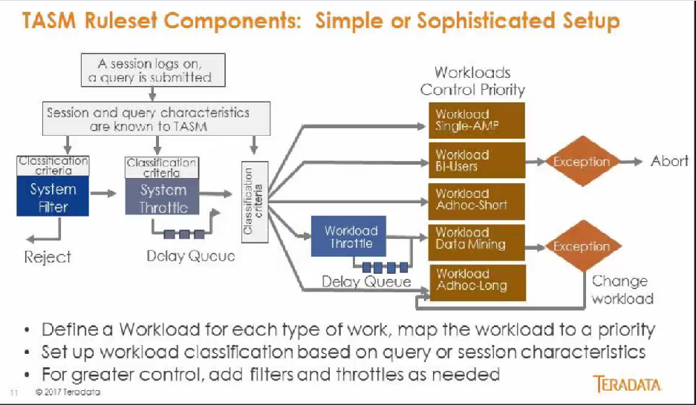

AMP Worker Tasks (AWT)
The AMPs communicate with each other and with the Parsing Engines using messages sent across the BYNET
Messages represnting query steps require AMP Worket Tasks (AWT) to perform their work.
AWTs are stateless, can support a variety of work like 1) User-Submitted work (load jobs, queries) 2) Internal software processes (such as space accounting)

DBQL & Access Logging
DBQL - Database Query Log
https://docs.teradata.com/reader/oiS9ixs2ypIQvjTUOJfgoA/n_WcDGeDsVgk6acmOb5_bw
http://vasuteradatadba.blogspot.com/2017/02/teradata-dba-useful-sqls.html
https://dataedo.com/kb/query/teradata
Access logging - https://avinash333.com/access-logging-dbql-query-logging/
Space Issues - https://docs.teradata.com/reader/wada1XMYPkZVTqPKz2CNaw/s6BXweCYiiSfH0r9ekqysQ
ReUsage Tables - https://docs.teradata.com/reader/j3jjPvMNxIaGms28rVuoaw/hyWYKgJ3wVO9VDWPpkhzQg

Try - Test - Measure - Optimize
Use case | Tables | Column
I/O, CPU, and spool usage query statements Product Join Indicator - (AMPCPUTime * 1000)/TotalIOCount Query response Time like Query executed more then certain Time Period Number of Queries by Users Top Applications accessing Teradata Node Query origination, start, stop, and other timings Error codes | DBC.QryLogV | TotalCPUTime TotalIOcount
to identify the current user if the processing is skewed | DBC.SessionInfoV
to view historical users if the processing is skewed Users logged in for certain interval Logon Count for Certain Time Period | DBC.LogOnOffV[X]
to identify the heavy resource user if the processing is skewed CPU and I/O for a Specific user HOT AMP Identification | DBC.AMPUsageV[X]
Teradata Dynamic Workload Management view of the main log table, DBQLLogTbl. | DBC.QryLogTDWMV
to identify large spool user if the processing is skewed Amount of MaxPerm, currentperm & free perm for a given database Table distribution per amp disk space currently in use total disk space in the entire system percent of space used by each database in the system users who are running out of PERM space or using a lot of spool | DBC.DiskSpaceV[X] |  | The DBC.DiskSpaceV view returns AMP information about disk space usage at the database or user level.
Table Accessed | DBC.QryLogObjectsV
to identify tables with skewed data distribution. | DBC.TableSizeV
Data collected automatically by the system for each user logon event. | DBC.EventLog
Data collected as defined in a BEGIN LOGGING statement, for each privilege check of an attempted user access of a database object. | DBC.AccLogTbl
To see the estimated space savings percentage for manually compressed BLC tables | DBC.StatsV DBC.TableStatsV DBC.TempTableStatsV | BLCCompRatio
Hold all necessary parameter data in a BLOB column | DBC.DBQLParmTbl
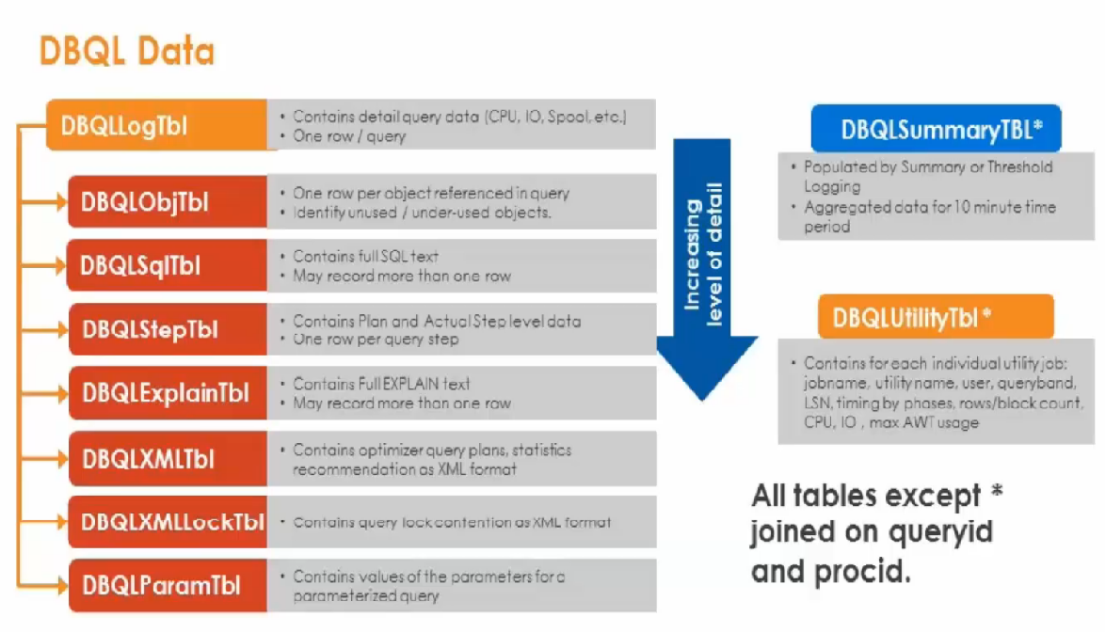
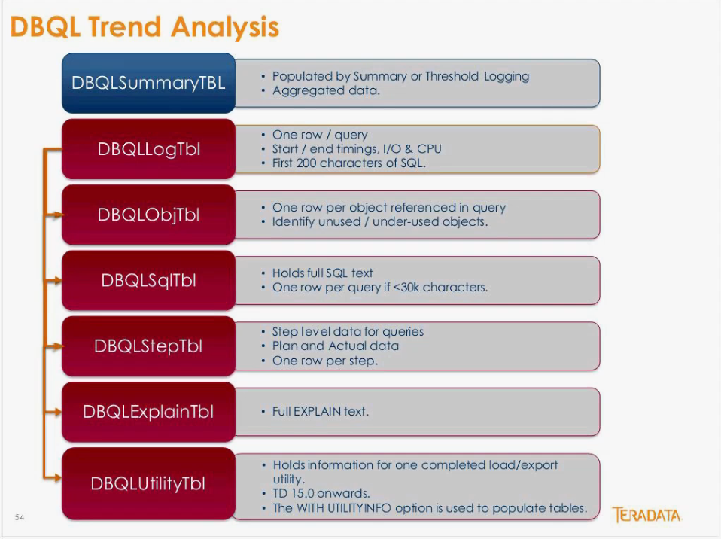

Logs for Teradata Viewpoint workload management functions.
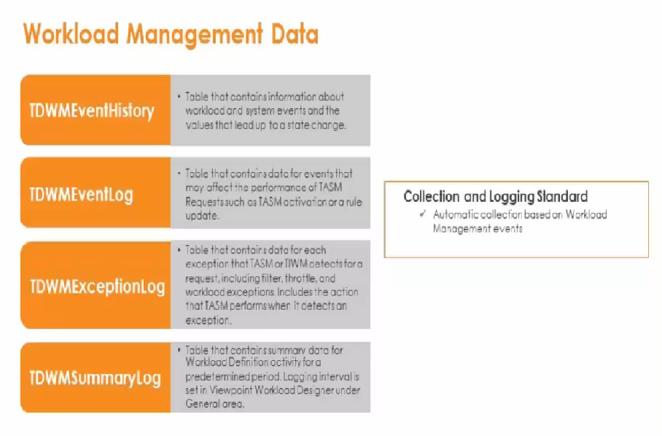

Types of Data Dictionary views
Unicode Views:
Object names are returned in the session character set.
The substitution character for the session character set is returned for any characters in the object name that do not exist in the session character set.
Compatibility Views:
Convert the native variable length Unicode object names into 30 bytes of either Latin or Kanji1. This can cause loss of information by truncation or inability to convert object names longer than 30 characters into Latin or Kanji1.
Characters that can not be converted are replaced by the substitution character, which is 0x1A for both Latin and Kanji1.

view_name: Compatibility view
view_nameX: Compatibility view where X denotes a partial view that omits restricted data, such as security-related information.
view_nameV: Unicode view
view_nameVX: Unicode view where X denotes a partial view that omits restricted data, such as security-related information.

A Unicode view exists for every compatibility view in database DBC. The information available in compatibility views is available from the corresponding Unicode view, and compatibility views should no longer be used to obtain the required information.
Teradata strongly encourages you to switch over to Unicode views.

Access Logging
Access loggig allows monitoring of data access requests in the system and log granted and/or denied requests.
This is how you find out who is logging into teradata and who has tried and failed.
This is how you track who is trying to accees certain tables and information and who has been denied.

When you track someone or everyone, the access logs are written to before the query runs so this does slow down queries.
The DBA is first given permission to utilize Access Logging, and then thet have to perform a BEGIN LOGGING statement for any action to be taken and tracking logs written to.

DBC.AccLogRule is a dummy macro. It only have a ; in it.
You must EXECUTE privilages on the macro to execute BEGIN LOGGING and END LOGGING statements.
Use the BEGIN and END LOGGING statements to enable and disable logging and to indicate which access parameters should be logged. Access logging can be set up for almost any database object, for instance, users, databases, or tables.

Each BEGIN LOGGING statement creates a logging rule, in the form of an entry in the DBC.AccLogRule table.
Each time a user request matches one of the logging rules found in the DBC.AccLogRuleTbl, the macro creates an entry in the DBC.AccLogTbl.
BEGIN LOGGING ON [frequency] [operation] BY username ON object_name ;
Frequency with which logging of an event takes place during a session: FIRST, LAST, FIRST AND LAST, or EACH.

You can use the END LOGGING statement to terminate access logging on any user, action, or object for which one or more logging rules are currently active.
The END LOGGING statement terminates access logging on the database objects included in the statement. If the END LOGGING statement terminates all logging rules for a particular user, database, or object, the system deletes the row from DBC.AccLogRuleTbl.
Issue a DROP MACRO statement for DBC.AccLogRule macro if you are ending all logging. If you do not issue an END LOGGING statement for every rule in DBC.AccLogRules, access logging continues even if you drop the DBC.AccLogRule macro and reset the database.

ResUsage
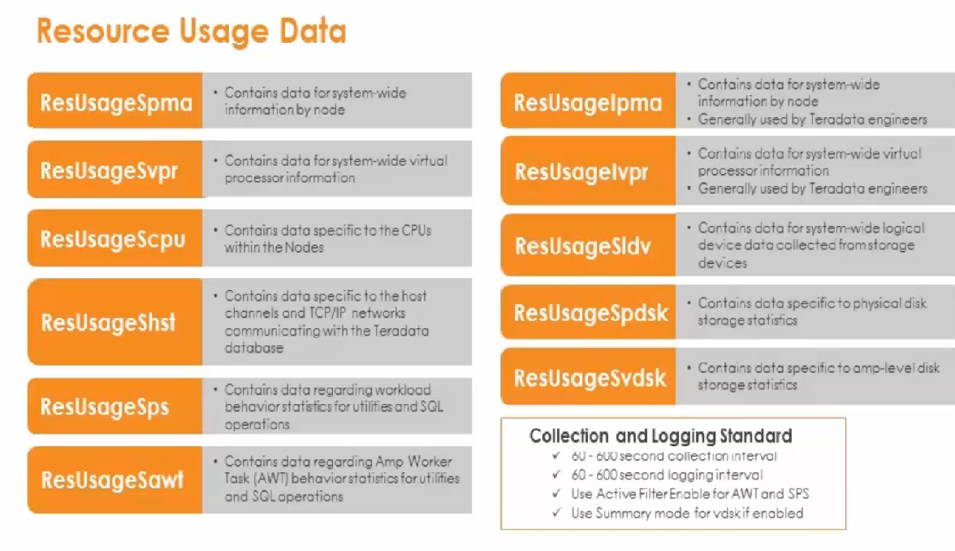
ResUsage tables collect data on system resource usage.
You can enable ResUsage data collection and set the collection rate using either:
1) The ctl utility SCREEN RSS command
2) Teradata Viewpoint data collectors
The collection rate determines how quickly data accumulates and when the logs should be purged.

Element | Is one of the following…
Information_type | S = System-wide information I = Internal Teradata Database information
Table_name | pma = Node information vpr = Vproc information cpu = CPU-specific information ldv = Logical device statistics pdsk = Pdisk device statistics vdsk = Vdisk device statistics awt = AMP Worker Task statistics ps = WD resolution statistics (Workload Definition - Priority System) hst = Mainframe and workstation host information

Table & View
DBC.ResUsageSpma | to view CPU, disk, and BYNET usage. includes resource usage data for available system-wide information. to identify node-level skew by comparing maximum CPU usage to the average CPU consumed across all nodes. | ResSpmaView
DBC.ResUsageIpma | includes resource usage data for system-wide, node information. table is generally not used at customer sites and is only used by Teradata engineers. | ResIpmaView
DBC.ResUsageSvpr | includes resource usage data for available system-wide, virtual processor information. to find AMP-level skew and compare resource usage across different vprocs. | ResSvprView
DBC.ResUsageIvpr | includes resource usage data for system-wide information. table is generally not used at customer sites and is only used by Teradata engineers. | ResIvprView
DBC.ResUsageScpu | contains resource usage information specific to the CPUs within the nodes. | ResScpuView
DBC.ResUsageSldv | contains resource usage information for system-wide, logical device information. Statistics from this table are collected from the storage devices. can be used to monitor AMP response time and write I/O levels. | ResSldvView
DBC.ResUsageSpdsk | Provides pdisk level statistics. Includes resource usage logs on cylinder I/O, allocation, and migration. | ResSpdskView
DBC.ResUsageSvdsk | Provides AMP-level storage statistics. Includes resource usage logs on cylinder allocation, migration, and I/O statistics. | ResSvdskView
DBC.ResUsageSawt | The current and maximum number of AMP Worker Tasks in use by work type Flow control information | ResSawtView
DBC.ResUsageSps | Get a historical view of workload behavior for utilities and SQL operations. Determine the number of workload requests that are using AMP Worker Task. Examine queue wait and service time numbers to find backed up queries and allocation groups. Determine which workload is responsible for I/O skew. Monitor CPU usage managed by the Priority Scheduler. Identify the percent of CPU being used by different workloads. | ResSpsView
DBC.ResUsageShst | Contains resource usage information specific to the host channels and TCP/IP networks communicating with Teradata Database. Includes resource usage data for system-wide, host information. | ResShstView

ResCPUUsageByAMPView | Describes CPU usage per AMP
ResCPUUsageByPEView | Describes CPU usage by each PE

